Menu
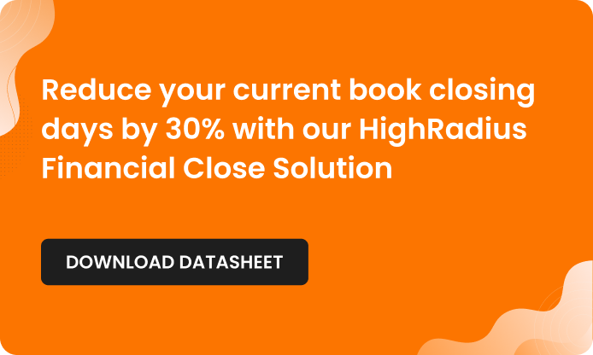

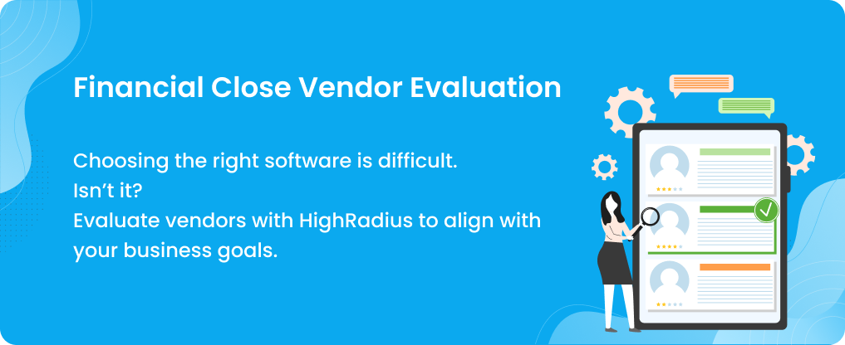

How to Use This Template

Vendor Scoring Template

Vendor Evaluation Dashboard

How to Use This Template
How to Use This Template | How the Scoring Works

1. Populate the Vendor Scoring Template sheet with details like name of the vendor and solution you're scoring for. | Y = 1 point P = 0.5 point N = 0 point
2. Go through the scoring parameters and their descriptions.If the vendor has that ability - mark Y. If the vendor supports the ability partially - mark P. If the vendor does not have that ability - mark N.
3. After you're done scoring for each parameter, you'll be able to see the total for each category - followed by a cumulative vendor score.
4. Head over to the Dashboard and see a summary of every vendor's score to help you select one that fits your criteria.
Back to Menu
Dashboard View
Vendor Scoring Template

Dashboard
Back to Menu
How to Use This Template
Vendor Scoring Template
l

 | Dashboard Comparison of Financial Close Software Solutions

 | Vendor Name | HighRadius | Vendor 2 | Vendor 3 | Vendor 4 | Vendor 5
 | Parameter/Solution Name | Financial Close | Solution 2 | Solution 3 | Solution 4 | Solution 5
 | Cloud-based/On-Premise | 1/1 | 0/1 | 0/1 | 0/1 | 0/1
 | Total Feature Score | 18/18 | 0/18 | 0/18 | 0/18 | 0/18
 | Integrations Score | 5/5 | 0/5 | 0/5 | 0/5 | 0/5
 | Pricing Score | 3/3 | 0/3 | 0/3 | 0/3 | 0/3
 | Implementation Score | 2.5/3 | 0/3 | 0/3 | 0/3 | 0/3
 | Training Score | 3/3 | 0/3 | 0/3 | 0/3 | 0/3
 | Customer Support Score | 5/5 | 0/5 | 0/5 | 0/5 | 0/5
 | Total | 37.5 | 0 | 0 | 0 | 0

Vendor Scoring Template
Back to Menu
How to Use This Template
Dashboard View
Vendor Evaluation Scorecard

Vendor Name Solution Name Logo | HighRadius |  | Vendor 2 |  | Vendor 3 |  | Vendor 4 |  | Vendor 5
 | Financial Close Management Software |  | Solution 2 |  | Solution 3 |  | Solution 4 |  | Solution 5
 |  |  | Vendor Logo 2 |  | Vendor Logo 3 |  | Vendor Logo 4 |  | Vendor Logo 5

Type of Hosting | Present (Yes -Y, No -N, Possible - P | Remarks, If Any | Present (Yes -Y, No -N, Possible - P | Remarks, If Any | Present (Yes -Y, No -N, Possible - P | Remarks, If Any | Present (Yes -Y, No -N, Possible - P | Remarks, If Any | Present (Yes -Y, No -N, Possible - P | Remarks, If Any
Cloud hosted software | Y
Total hosting score | 1 |  | 0 |  | 0 |  | 0 |  | 0
Functionality/Features/Technology | Present (Yes -Y, No -N, Possible - P | Remarks, If Any | Present (Yes -Y, No -N, Possible - P | Remarks, If Any | Present (Yes -Y, No -N, Possible - P | Remarks, If Any | Present (Yes -Y, No -N, Possible - P | Remarks, If Any | Present (Yes -Y, No -N, Possible - P | Remarks, If Any
Artificial Inteligence and/or Machine Learning rules and algorithms to automate close tasks | Y
Process and present millions of transactions and records in Excel or Excel-like interface. | Y
Extract and ingest data automatically for financial periods from system of records. | Y
Customizable templates for automating transaction processing required for month-end close. | Y
Ability to process bigger data sets and transform it | Y
Automated data rollover | Y
Automated journal entry posting | Y
Automated journal entry preparation | Y
Automated suggestions for resolution of incorrect journal entries | Y
Ability to post journal entries back to your ERP in customized formats based on your system of records | Y
Customizable task workflow that enables you to assign roles and acess levels for creating and approving tasks | Y
Ability to maintain a hierarchical segregation of duties and maintain a consistent process of audit purposes | Y
Organized hierarchical view of close tasks for multiple legal entities | Y
Attach supporting documents, add comments, insert weblinks for a close task for audit purposes | Y
Outline of the tasks that analysts need to work as part of month-end close. | Y
Detailed trail of records that include transaction information like date, time, and user name for audit purposes | Y
Automated out of the box dashboards to track progress | Y
Customizable dashboard that can be tuned to track metrics important for your organization | Y
Total functionality score | 18 |  | 0 |  | 0 |  | 0 |  | 0
Integrations Supported | Present (Yes -Y, No -N, Possible - P | Remarks, If Any | Present (Yes -Y, No -N, Possible - P | Remarks, If Any | Present (Yes -Y, No -N, Possible - P | Remarks, If Any | Present (Yes -Y, No -N, Possible - P | Remarks, If Any | Present (Yes -Y, No -N, Possible - P | Remarks, If Any
Secured integrations with ERP and Non-ERP systems | Y
ERP agnostic | Y
Multiple bank integration | Y
Other financial systems | Y
Custom integrations | Y
Total integration score | 5 |  | 0 |  | 0 |  | 0 |  | 0
Pricing | Present (Yes -Y, No -N, Possible - P | Remarks, If Any | Present (Yes -Y, No -N, Possible - P | Remarks, If Any | Present (Yes -Y, No -N, Possible - P | Remarks, If Any | Present (Yes -Y, No -N, Possible - P | Remarks, If Any | Present (Yes -Y, No -N, Possible - P | Remarks, If Any
Monthly charges | Y
Data migration charges | Y
Maintenance charges | Y
Total pricing score | 3 |  | 0 |  | 0 |  | 0 |  | 0
Implementation | Present (Yes -Y, No -N, Possible - P | Remarks, If Any | Present (Yes -Y, No -N, Possible - P | Remarks, If Any | Present (Yes -Y, No -N, Possible - P | Remarks, If Any | Present (Yes -Y, No -N, Possible - P | Remarks, If Any | Present (Yes -Y, No -N, Possible - P | Remarks, If Any
Provides implementation timeline | Y
Less involvement required from internal IT team | P
Implementation charges | Y
Total implementation score | 2.5 |  | 0 |  | 0 |  | 0 |  | 0
Trainings Provided | Present (Yes -Y, No -N, Possible - P | Remarks, If Any | Present (Yes -Y, No -N, Possible - P | Remarks, If Any | Present (Yes -Y, No -N, Possible - P | Remarks, If Any | Present (Yes -Y, No -N, Possible - P | Remarks, If Any | Present (Yes -Y, No -N, Possible - P | Remarks, If Any
Self-help resources | Y
Live online training sessions | Y
In-person training | Y
Total training score | 3 |  | 0 |  | 0 |  | 0 |  | 0
Customer Support | Present (Yes -Y, No -N, Possible - P | Remarks, If Any | Present (Yes -Y, No -N, Possible - P | Remarks, If Any | Present (Yes -Y, No -N, Possible - P | Remarks, If Any | Present (Yes -Y, No -N, Possible - P | Remarks, If Any | Present (Yes -Y, No -N, Possible - P | Remarks, If Any
Greviance redressal time | Y
Server up-time | Y
Customer query TAT | Y
Periodic upgrades | Y
Security measures (e.g. encryption) | Y
Total customer support score | 5 |  | 0 |  | 0 |  | 0 |  | 0
Total Score | 37.5 |  | 0 |  | 0 |  | 0 |  | 0

