Menu
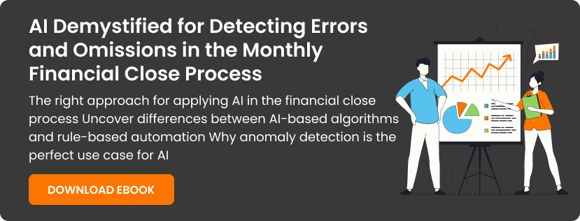
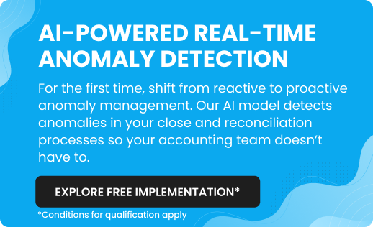
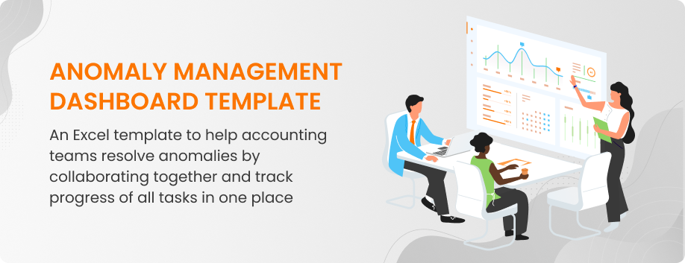

How to Use This Template

Anomaly Task Details

Anomaly Dashboard

How to Use This Template
How to Use This Template

1. Populate the Anomaly Task Details sheet with the details of transactions you have identified anomalies for
2. Go through the sample errors & omissions mentioned in this sheet and continue to add more as per your requirements
3. Mark an anomaly as 'open' and assign to an accountant or analyst. Mark it as 'closed' when it's resolved and corrected, and 'ignored' if doesn't need any resolution
4. Get an idea about number of errors and omissions, assignee's workload, number of high risk anomalies, and more in the 'Dashboard' sheet
Note: To update the data in charts (shown in Anomaly Dashboard), select the entire chart, press right click, and select 'Refresh Data'

Back to Menu
Anomaly Task Details
Anomaly Dashboard

Anomaly Dashboard
Back to Menu
Anomaly Task Details
How to Use This Template
Anomaly Dashboard

Anomaly Types
 | Total
Error | 170
Omission | 40
Risk Category
 | Total
High | 110
Low | 52
Medium | 48

Anomaly Status
 | Total
Closed | 100
Ignored | 64
Open | 46
Assignee's Workload
 | Total
Jacob | 57
Johnson | 87
Mark | 66

Anomaly Task Details
Back to Menu
Anomaly Dasboard
How to Use This Template
Anomaly Task Details

Company Name |  |  | Start Date | End Date | Date of Last Update
APOLLO |  |  | 10th July 2023 | 22nd September 2023

Anomaly ID | Anomalies | Anomaly Types | Risk Category | GL Account Type | GL Account Number | Currency | Debit/Credit | Period | Legal Entity | Document Number | Suggested Correction | Anomaly Status | Transaction Amount | Customer/Vendor Name | Assignee Name
1 | Error | Legal Entity & GL Account Mismatch | Low |  |  |  |  |  |  |  |  | Open |  |  | Mark
2 | Error | Legal Entity & Department Mismatch | High |  |  |  |  |  |  |  |  | Closed |  |  | Mark
3 | Error | Legal Entity & GL Account Mismatch | Medium |  |  |  |  |  |  |  |  | Ignored |  |  | Mark
4 | Error | Legal Entity & GL Account Mismatch | High |  |  |  |  |  |  |  |  | Ignored |  |  | Mark
5 | Omission | Recurring Missed | Low |  |  |  |  |  |  |  |  | Open |  |  | Mark
6 | Error | Legal Entity & GL Account Mismatch | Medium |  |  |  |  |  |  |  |  | Open |  |  | Mark
7 | Omission | Accrual Reversals Missed | High |  |  |  |  |  |  |  |  | Open |  |  | Mark
8 | Error | Legal Entity & GL Account Mismatch | High |  |  |  |  |  |  |  |  | Open |  |  | Mark
9 | Error | Legal Entity & GL Account Mismatch | High |  |  |  |  |  |  |  |  | Open |  |  | Mark
10 | Error | Vendor & GL Account Mismatch | Low |  |  |  |  |  |  |  |  | Open |  |  | Mark
11 | Error | Legal Entity & GL Account Mismatch | Low |  |  |  |  |  |  |  |  | Closed |  |  | Mark
12 | Omission | Accrual Reversals Missed | Low |  |  |  |  |  |  |  |  | Closed |  |  | Johnson
13 | Error | Legal Entity & GL Account Mismatch | Low |  |  |  |  |  |  |  |  | Closed |  |  | Johnson
14 | Error | Vendor & GL Account Mismatch | High |  |  |  |  |  |  |  |  | Closed |  |  | Johnson
15 | Error | Legal Entity & GL Account Mismatch | High |  |  |  |  |  |  |  |  | Closed |  |  | Johnson
16 | Omission | Recurring Missed | High |  |  |  |  |  |  |  |  | Closed |  |  | Johnson
17 | Error | Legal Entity & GL Account Mismatch | High |  |  |  |  |  |  |  |  | Closed |  |  | Johnson
18 | Error | Legal Entity & Department Mismatch | High |  |  |  |  |  |  |  |  | Ignored |  |  | Jacob
19 | Error | Legal Entity & GL Account Mismatch | Medium |  |  |  |  |  |  |  |  | Ignored |  |  | Jacob
20 | Error | Legal Entity & GL Account Mismatch | Medium |  |  |  |  |  |  |  |  | Ignored |  |  | Jacob

