Menu

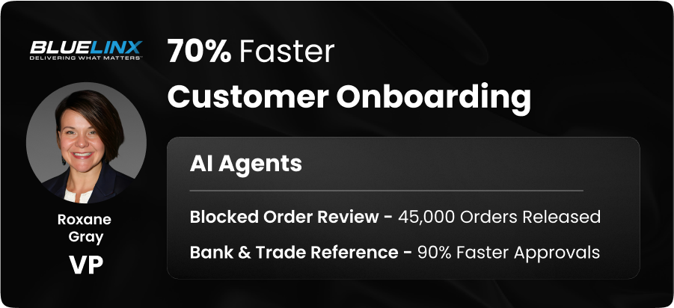
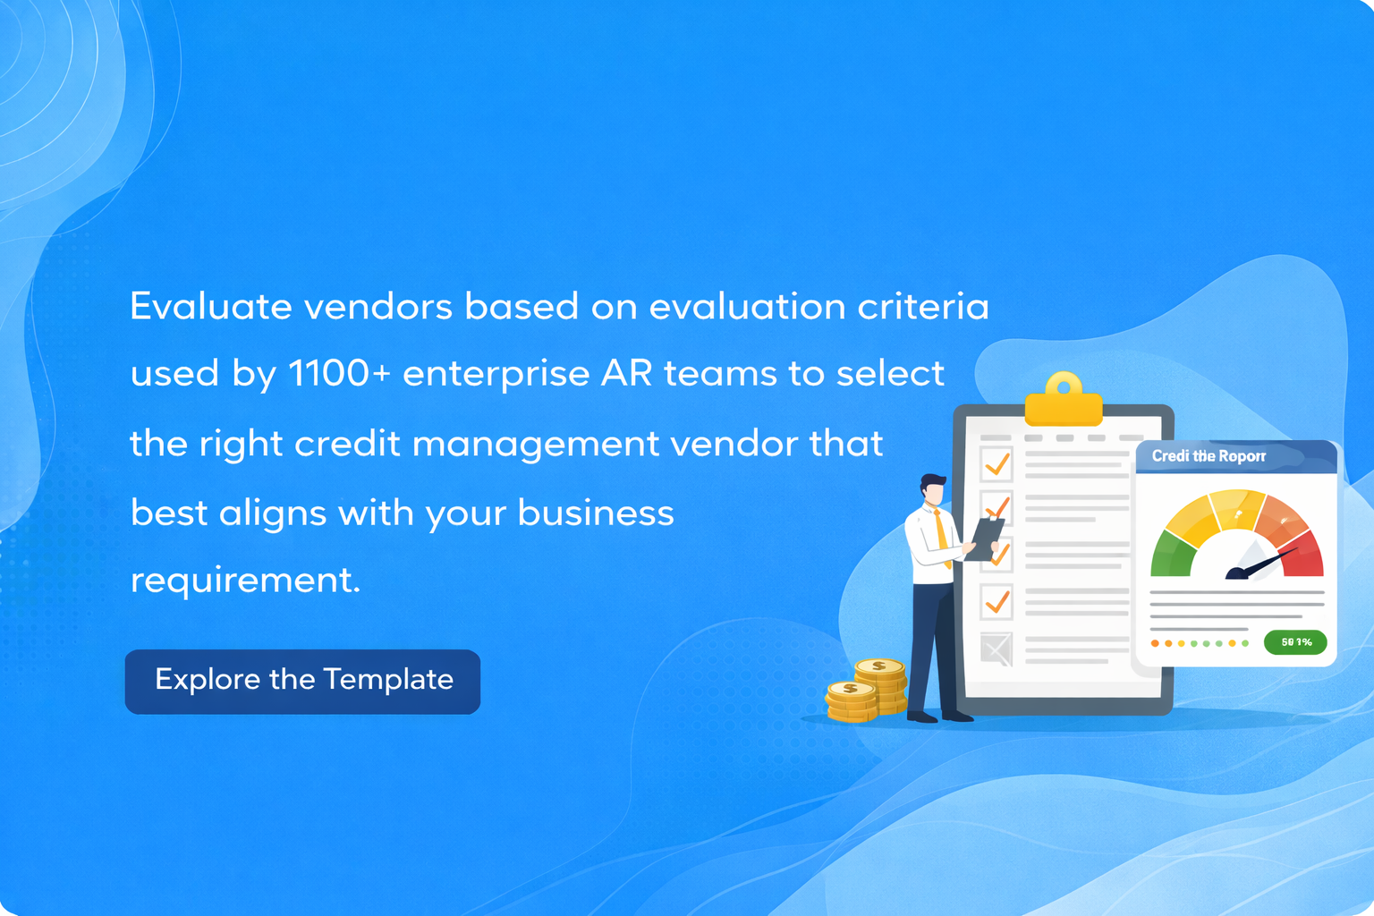

How to Use This Template

Vendor Scoring Template

Vendor Evaluation Dashboard

Outcomes achieved

How to Use This Template
How to Use This Template

1. Enter Details: Open the Vendor Scoring Template and fill in the vendor name and the solution you are evaluating.
2. Rate & Prioritize: For each feature, mark its availability (Yes, Possible, or No) and set its priority (Low, Medium, or High).
3. The sheet will automatically calculate a score for each feature and category, ending in a total Cumulative Vendor Score
4. Compare Results: Go to the Dashboard to see a summary of all scores and select the vendor that best fits your needs.
Back to Menu
Dashboard View
Vendor Scoring Template

Vendor Scoring Template
Back to Menu
How to Use This Template
Dashboard View

Vendor Name Solution Name Logo |  | HighRadius |  |  |  | Vendor 2 |  |  | Vendor 3 |  |  | Vendor 4 |  |  | Vendor 5
 |  | Credit Management Software |  |  |  | Solution 2 |  |  | Solution 3 |  |  | Solution 4 |  |  | Solution 5
 |  |  |  |  |  | Vendor Logo 2 |  |  | Vendor Logo 3 |  |  | Vendor Logo 4 |  |  | Vendor Logo 5

Features | Weightage | Feature Availability | Priority | Automated feature score |  | Feature Availability | Priority | Automated feature score | Feature Availability | Priority | Automated feature score | Feature Availability | Priority | Automated feature score | Feature Availability | Priority | Automated feature score
 | Weightage
Customizable online credit application with mandatory fields | 2% | Yes | High | 0.5 |  |  |  | 0 | Possible |  | 0 | Yes | High | 0.5 |  |  | 0
Ability for prospects to upload supporting documents, bank & trade references in the application |  | Yes | High | 0.25 |  |  |  | 0 |  |  | 0 |  |  | 0 |  |  | 0
Prioritized list of customer accounts for analysts to review | 1% | Yes | High | 0.25 |  |  |  | 0 |  |  | 0 |  |  | 0 |  |  | 0
Automated emails to Customers with details on their approved Credit Limits, Payment Terms, etc. | 1% | Yes | High | 0.25 |  |  |  | 0 |  |  | 0 |  |  | 0 |  |  | 0
Automated gathering of Credit Reports from Credit agencies | 1% | Yes | Medium | 0.125 |  |  |  | 0 |  |  | 0 |  |  | 0 |  |  | 0
Real-time Risk Alert Monitoring | 1% | Yes | Medium | 0.125 |  |  |  | 0 |  |  | 0 |  |  | 0 |  |  | 0
Automated extraction of customer's Financial Statements from public sources | 1% | Yes | Medium | 0.125 |  |  |  | 0 |  |  | 0 |  |  | 0 |  |  | 0
AI based data capture from uploaded financial statements |  | Yes | High | 0.25 |  |  |  | 0 |  |  | 0 |  |  | 0 |  |  | 0
Customer Hierarchy Management credit risk of customers that are related to each other | 1% | Yes | High | 0.25 |  |  |  | 0 |  |  | 0 |  |  | 0 |  |  | 0
AI-based Credit Limit Suggestions | 1% | Yes | High | 0.25 |  |  |  | 0 |  |  | 0 |  |  | 0 |  |  | 0
AI-Driven Prediction of Upcoming Blocked Orders |  | Yes | Medium | 0.125 |  |  |  | 0 |  |  | 0 |  |  | 0 |  |  | 0
Ability to upload invoices directly into the AP portals |  | Yes | Medium | 0.125 |  |  |  | 0 |  |  | 0 |  |  | 0 |  |  | 0
Store and manage Collaterals & Securities | 1% | Yes | Medium | 0.125 |  |  |  | 0 |  |  | 0 |  |  | 0 |  |  | 0
Automate maintaining insurance against high-risk and high-revenue accounts. | 1% | Yes | Medium | 0.125 |  |  |  | 0 |  |  | 0 |  |  | 0 |  |  | 0
Fully configurable credit scoring algorithms based on various sources like credit reports, financials, credit application attributes etc. | 2% | Yes | High | 0.5 |  |  |  | 0 | Yes | High | 0.5 |  |  | 0 |  |  | 0
Automate the gathering of Credit Reports from Trade Associations across various industries | 1% | Yes | Medium | 0.125 |  |  |  | 0 |  |  | 0 |  |  | 0 | Yes | High | 0.25
Total functionality score |  |  |  | 3.5 |  | Total functionality score |  | 0 | Total functionality score |  | 0.5 | Total functionality score |  | 0.5 | Total functionality score |  | 0.25
Integrations Supported | Weightage | Feature Availability | Importance | Automated feature score |  | Feature Availability | Importance | Automated feature score | Feature Availability | Importance | Automated feature score | Feature Availability | Importance | Automated feature score | Feature Availability | Importance | Automated feature score
Major ERPs (SAP, Oracle, Infor, NetSuite, MS Dynamics) | 1% | API | High | 0.2 |  | API | High | 0.2 | API | High | 0.2 | SFTP | High | 0.15 | In-built | High | 0.25
Banks |  | Yes | High | 0.25 |  | Possible | High | 0.125 | Possible | High | 0.125 | Possible | High | 0.125 | Possible | High | 0.125
Third Party Agencies | 2% | Possible | High | 0.25 |  | Possible | Medium | 0.125 | Yes | Medium | 0.25 | Possible | High | 0.25 | Possible | Medium | 0.125
Credit Agencies | 1% | Yes | Medium | 0.125 |  | Yes | High | 0.25 | Yes | Medium | 0.125 | Possible | High | 12.5 | Yes | High | 0.25
Total Integration Score |  | 0.825 |  |  |  | 0.7 |  |  | 0.7 |  |  | 13.025 |  |  | 0.75
Pricing | Present (Yes -Y, No -N, Possible - P) | Feature Availability | Importance | Automated feature score |  | Feature Availability | Importance | Automated feature score | Feature Availability | Importance | Automated feature score | Feature Availability | Importance | Automated feature score | Feature Availability | Importance | Automated feature score
Monthly charges | 3% | Possible | Medium | 0.1875 | 0 | Yes | High | 0.75 | Yes | High | 0.75 | Yes | High | 0.75 | Yes | High | 0.75
Data migration charges | 3% | Yes | High | 0.75 | 0 | Yes | High | 0.75 | Yes | High | 0.75 | Yes | High | 0.75 | Yes | High | 0.75
Maintenance charges | 3% | Yes | High | 0.75 | 0 | Yes | High | 0.75 | Yes | High | 0.75 | Yes | High | 0.75 | Yes | High | 0.75
Total Pricing Score | 1.6875 |  |  |  |  | 2.25 |  |  | 2.25 |  |  | 2.25 |  |  | 2.25
Implementation | Weightage | Feature Availability | Importance | Automated feature score |  | Feature Availability | Importance | Automated feature score | Feature Availability | Importance | Automated feature score | Feature Availability | Importance | Automated feature score | Feature Availability | Importance | Automated feature score
Provides implementation timeline | 3% | Yes | High | 0.75 | 0 | Yes | High | 0.75 | Yes | High | 0.75 | Yes | High | 0.75 | Yes | High | 0.75
Less involvement required from internal IT team |  | Yes | High | 0.25 | 0 | Yes | High | 0.25 | Yes | High | 0.25 | Yes | High | 0.25 | Yes | High | 0.25
Implementation charges | 3% | Possible | High | 0.375 | 0 | Yes | High | 0.75 | Yes | Medium | 0.375 | Possible | High | 0.375 | Yes | High | 0.75
Total implementation score | 1.375 |  |  |  | 0 | 1.75 |  |  | 1.375 |  |  | 1.375 |  |  | 1.75
Trainings Provided | Weightage | Feature Availability | Importance | Automated feature score |  | Feature Availability | Importance | Automated feature score | Feature Availability | Importance | Automated feature score | Feature Availability | Importance | Automated feature score | Feature Availability | Importance | Automated feature score
Self-help resources | 3% | Yes | High | 0.75 | 0 | Yes | High | 0.75 | Yes | High | 0.75 | Yes | Medium | 0.375 | Yes | High | 0.75
Live online training sessions | 3% | Yes | High | 0.75 | 0 | Yes | High | 0.75 | Yes | High | 0.75 | Yes | High | 0.75 | Yes | High | 0.75
In-person training | 3% | Yes | High | 0.75 | 0 | Yes | High | 0.75 | Yes | High | 0.75 | Yes | High | 0.75 | Yes | High | 0.75
Total training score | 2.25 |  |  |  | 0 | 2.25 |  |  | 2.25 |  |  | 1.875 |  |  | 2.25
Customer Support | Weightage | Feature Availability | Importance | Automated feature score |  | Feature Availability | Importance | Automated feature score | Feature Availability | Importance | Automated feature score | Feature Availability | Importance | Automated feature score | Feature Availability | Importance | Automated feature score
Greviance redressal time |  | Possible | High | 0.125 | 0 | Yes | High | 0.25 | Yes | Medium | 0.125 | Yes | High | 0.25 | Yes | High | 0.25
Server up-time | 3% | Yes | High | 0.75 | 0 | Yes | High | 0.75 | Yes | High | 0.75 | Yes | High | 0.75 | Yes | High | 0.75
Customer query TAT | 3% | Yes | High | 0.75 | 0 | Yes | High | 0.75 | Possible | High | 0.375 | Yes | High | 0.75 | Yes | High | 0.75
Periodic upgrades | 3% | Yes | High | 0.75 | 0 | Yes | High | 0.75 | Yes | High | 0.75 | Yes | High | 0.75 | Yes | High | 0.75
Security measures (e.g. encryption) | 3% | Possible | High | 0.375 | 0 | Yes | High | 0.75 | Yes | High | 0.75 | Yes | High | 0.75 | Yes | High | 0.75
Total customer support score | 2.75 |  |  |  | 0 | 3.25 |  |  | 2.75 |  |  | 3.25 |  |  | 3.25
Total Score | 4.325 |  |  |  |  | 0.7 |  |  | 0.5 |  |  | 0.5 |  |  | 0.25

