My Dashboard
 |  |  |  | Summary |  | Assumptions

i
 | Automation Level

 |  | Service Level
Red | 35% | 63%
Yellow | 35% | 1%
Green | 30% | 86%
Blank | 50%

63.00%
 |  | Achievable |  |  |  | Number of Analysts |  |  | Cash App Analyst Satisfaction
 |  |  | 63.00%
 |  |  |  |  |  | 65

DASHBOARD

 |  |  |  |  | Onshore |  |  | Offshore
 |  |  |  |  | 15 |  | + | 50
AUTOMATION
 |  |  |  |  | Focus on higher-valued tasks
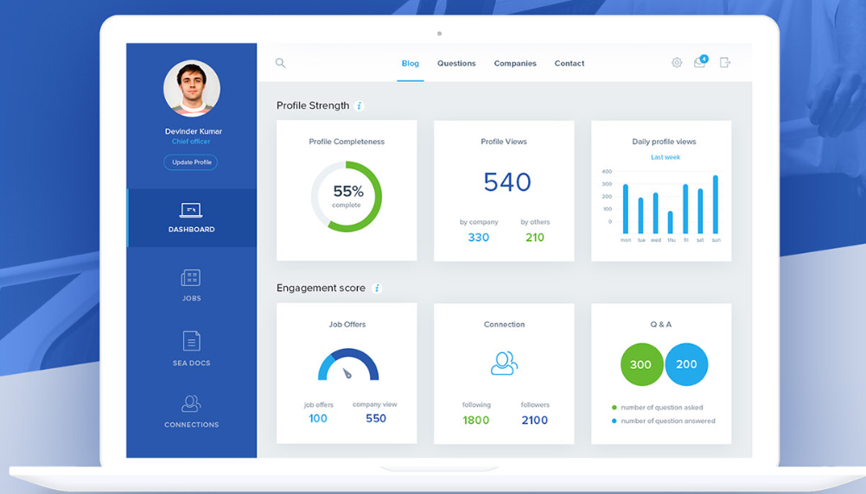

i
 | Savings by Automation

SAVINGS
 |  | Cash Application $ Savings |  |  |  | Minimum $ Savings |  |  |  | Maximum $ Savings

 |  | 1,102,500.00 |  |  |  | 551,347.20 |  |  |  | 771,847.20

 | USD |  |  |  | USD |  |  |  | USD

