Welcome
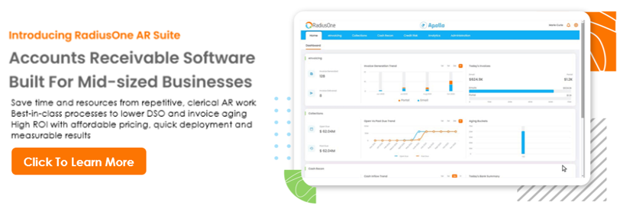

Get Started

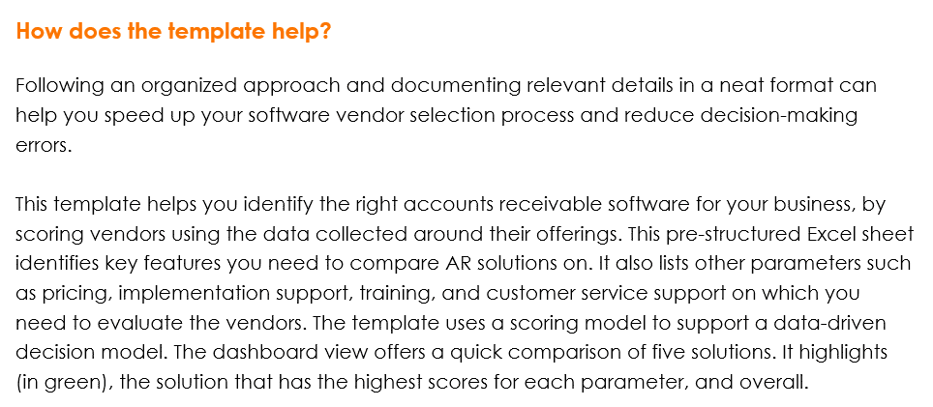

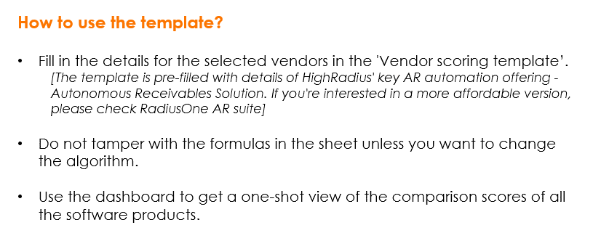

Reach out to us if you'd like to talk to our experts

Vendor scoring template
Dashboard view
VENDOR SELECTION SCORING TEMPLATE

Vendor Name |  | HighRadius |  | Vendor 2 |  | Vendor 3 |  | Vendor 4 |  | Vendor 5
Solution Name |  | Autonomous Receivables |  | Solution 2 |  | Solution 3 |  | Solution 4 |  | Solution 5

Vendor Logo |  |  |  | <LOGO IMAGE> |  | <LOGO IMAGE> |  | <LOGO IMAGE> |  | <LOGO IMAGE>

 | Weightage | Present (Y - Yes N - No) | Other remarks | Present (Y - Yes N - No) | Other remarks | Present (Y - Yes N - No) | Other remarks | Present (Y - Yes N - No) | Other remarks | Present (Y - Yes N - No) | Other remarks
Cloud hosted | 1 | Y
On-premise | 1 | Y

Features
Total feature score |  | 34 |  | 0 |  | 0 |  | 0 |  | 0
Invoicing
Invoice delivery to AP portals | 1 | Y
Invoice delivery to accounting systems | 1 | Y
Payment processing (ACH) | 1 | Y
Payment processing (cards) | 1 | Y
Auto payments | 1 | Y
Bulk payments | 1 | Y
Payment in installments | 1 | Y
Refund processing | 1 | Y
Invoicing features score |  | 8 |  | 0 |  | 0 |  | 0 |  | 0
Collections
Customer segmentation | 1 | Y
Worklist auto-prioritization | 1 | Y
Automatic reminders and follow-ups | 1 | Y
Auto-tracking of email conversations | 1 | Y
Dunning templates | 1 | Y
VoIP calling | 1 | Y
Invoice management | 1 | Y
Payment forecasting | 1 | Y
Reporting | 1 | Y
Collections features score |  | 9 |  | 0 |  | 0 |  | 0 |  | 0
Cash Application
Bank integration | 1 | Y
Process EDI remittances | 1 | Y
Website Remittance Aggregation | 1 | Y
Multi OCR Engine Capture | 1 | Y
Configurable parsers for multiple remittance formats | 1 | Y
Multi Variant Invoice Matching | 1 | Y
Shortpay Overpay Identification | 1 | Y
Discount Coding | 1 | Y
Remittance Prediction | 1 | Y
Custom Reports | 1 | Y
Cash application score |  | 10 |  | 0 |  | 0 |  | 0 |  | 0
Credit Risk
Customized online credit application | 1 | Y
Credit agency integration | 1 | Y
Credit agency alerts | 1 | Y
Automated periodic reviews | 1 | Y
Customer credit scoring models | 1 | Y
Rules based auto approval process | 1 | Y
Blocked Order Management | 1 | Y
Credit risk feature score |  | 7 |  | 0 |  | 0 |  | 0 |  | 0
Miscellaneous items |  | (Y - Satisfied, N - Not satisfied) | Remarks | (Y - Satisfied, N - Not satisfied) | Remarks | (Y - Satisfied, N - Not satisfied) | Remarks | (Y - Satisfied, N - Not satisfied) | Remarks | (Y - Satisfied, N - Not satisfied) | Remarks
Number of Invoices Supported | 1 | Contact us for more details
No: of customers supported | 1 | Contact us for more details
Number of payment processors supported | 1 | Contact us for more details
Number of credit risk agencies linked to | 1 | Contact us for more details
No: of ERPs supported | 1 | Contact us for more details
Misc Score |  | 0 |  | 0 |  | 0 |  | 0 |  | 0
Integrations supported |  | Present (Y - Yes N - No) | Other remarks | Present (Y - Yes N - No) | Other remarks | Present (Y - Yes N - No) | Other remarks | Present (Y - Yes N - No) | Other remarks | Present (Y - Yes N - No) | Other remarks
ERP system | 1 | Y
CRM | 1 | Y
Accounting | 1 | Y
Custom integrations supported | 1 | Y
Integrations score |  | 4 |  | 0 |  | 0 |  | 0 |  | 0
Costs |  | (Y - Satisfied, N - Not satisfied) | (Y - Satisfied, N - Not satisfied) | (Y - Satisfied, N - Not satisfied) | (Y - Satisfied, N - Not satisfied) | (Y - Satisfied, N - Not satisfied) | (Y - Satisfied, N - Not satisfied) | (Y - Satisfied, N - Not satisfied) | (Y - Satisfied, N - Not satisfied) | (Y - Satisfied, N - Not satisfied) | (Y - Satisfied, N - Not satisfied)

Monthly charges | 1 | Contact us for more details
Data migration charges | 1 | Contact us for more details
Maintenance charges | 1 | Contact us for more details
Pricing score |  | 0 |  | 0 |  | 0 |  | 0 |  | 0
Implementation |  | (Y - Satisfied, N - Not satisfied) | (Y - Satisfied, N - Not satisfied) | (Y - Satisfied, N - Not satisfied) | (Y - Satisfied, N - Not satisfied) | (Y - Satisfied, N - Not satisfied) | (Y - Satisfied, N - Not satisfied) | (Y - Satisfied, N - Not satisfied) | (Y - Satisfied, N - Not satisfied) | (Y - Satisfied, N - Not satisfied) | (Y - Satisfied, N - Not satisfied)
Implementation timeline | 1 | Contact us for more details
Implementation charges | 1 | Contact us for more details
Implementation score |  | 0 |  | 0 |  | 0 |  | 0 |  | 0
Trainings provided |  | Present (Y - Yes N - No) | Other remarks | Present (Y - Yes N - No) | Other remarks | Present (Y - Yes N - No) | Other remarks | Present (Y - Yes N - No) | Other remarks | Present (Y - Yes N - No) | Other remarks
Self-help resources | 1 | Contact us for more details
Live online training sessions | 1 | Contact us for more details
Online training course series | 1 | Contact us for more details
In-person training | 1 | Contact us for more details
Training score |  | 0 |  | 0 |  | 0 |  | 0 |  | 0
Customer Support |  | (Y - Satisfied, N - Not satisfied) | (Y - Satisfied, N - Not satisfied) | (Y - Satisfied, N - Not satisfied) | (Y - Satisfied, N - Not satisfied) | (Y - Satisfied, N - Not satisfied) | (Y - Satisfied, N - Not satisfied) | (Y - Satisfied, N - Not satisfied) | (Y - Satisfied, N - Not satisfied) | (Y - Satisfied, N - Not satisfied) | (Y - Satisfied, N - Not satisfied)
Greviance redressal time | 1 | Contact us for more details
Server up-time | 1 | Contact us for more details
Customer query TAT | 1 | Contact us for more details
Periodic upgrades | 1 | Contact us for more details
Security measures (e.g. encryption) | 1 | Contact us for more details
Customer service score |  | 0 |  | 0 |  | 0 |  | 0 |  | 0

